About
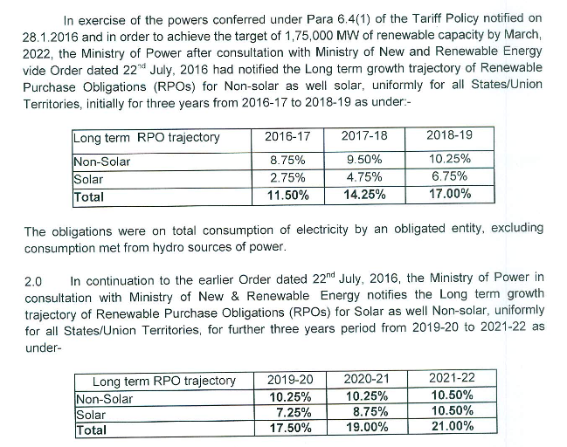
BRPSPTY BAU Renewable Portfolio Std Percentage This Year

Sources: | Ministry of Power
 | 2016
 | Guidelines for long-term RPO growth trajectory of Renewable Purchase Obligations (RPOs) for non-solar as well as for solar - reg.
 | https://www.mahaurja.com/meda/data/rporec/reports/MoP%20on%20Long%20term%20RPO%20trajectory.pdf

 | Ministry of Power
 | 2018
 | Long term growth trajectory of RPOs for solar and non-solar for 2019-20 to 2021-22
 | https://powermin.nic.in/sites/default/files/webform/notices/RPO_trajectory_2019-22_Order_dated_14_June_2018.pdf

Note:
The purpose of this variable is to specify the renewable portfolio standard
requirement that must be met in the BAU case (which the user may increase
via a policy lever, affecting the policy case).

RPO trajectories are given by MoP till 2022 only, beyond which it is assumed constant at 2022 value
India RPOs are differentiated by solar and non-solar.

RPO national targets have historically not been achieved for wind and solar generation.
The partial target achieved in 2018 & 2019, is accounted in the real-world capacity deployed for
wind and solar in elec/BPMCCS. Hence, we set the historical targets till 2019 to zero in this variable.

